Read Me


How To Use this worksheet:
It looks a bit daunting, but it's just asking you to feed it numbers it can translate for you.
The more numbers it has, the more accurate your answers will be.
Enter your figures in the boxes to the best of your abilities. Leave irrellevant boxes blank.
If you're unsure, estimate as best you can and readjust when you have a better idea.
All figures requested are Monthly, so either divide annual or multiply daily figures to acheve this and it will auto genreate other cells accurately.
The sheets are designed to work together, so whatever you input will be reflected across all calculations automatically.
Navigate the sheets by clicking the tabs at the bottom. Service tabs can be changed to the service name by right clicking the tab and clicking "rename", for easy reference.
Sheet 1: Business and personal costs.
This is everything that you have to cover in your hourly rate to pay your bills:
Business expenses are those paid from your business accounts.
Personal expenses are filled to ensure your hourly rate pays you enough money to cover what's needed at home.
The best place to start are bank statements. If it's coming out every month, it will be in there, but look deeper, the more you track and account for, the more accurate and stable you'll be.
Travel estimates are to work out your costs on a per mile basis, either in mileage or MPG costs) which will factor into later calculations. We recommend factoring 10miles per job (round trip) as a standard cost and charge beyond this - but you can change this on the service sheets according to your decision.
Base Rate Summary section is to set your hours these factors are divisible by.
We suggest using the default 30 hours per week of PAID WORK to factor in admin, travel and break times, and a 175 day year to allow for bank holidays, 4 weeks vacation, etc.
These are realistic available earning time figures, but you can alter them if you wish and the calculations will update to reflect.
Finally, desired profit margin. A percentage of all your chargable income - we suggest 20% - which you will add on top to allow your business to grow, fund purchases or improvements, create a rainy day fund, etc. You can also tick a box if you are VAT registered, and the calculation will automatically apply VAT to each quote.
Click the Business and Personal costs tab at the bottom and fill out as many boxes as you can, adding in anything unique to you in the "other costs" boxes.
Sheet 2: Variable costs:
These are your per job costs and which vary depending on the service. They're not going to be eact, but will hopefully even out across a month of jobs - sometimes you'll use 100ml of iron fallout, sometimes you'll use 20ml. Try and find an average.
Input the price per bottle you paid, how much is in the bottle, and how much (in ml) you use per use. If you don't know this, work it out during your next use of the product. It is important to know.
e.g - you buy 1l of snowfoam at £9.99. You then use 50 ml each time you make up a bottle or ready to use chemical. This will generate a cost per use of £0.50 (1000/9.99 x 50) which will then help calculate all the chemicals used and give you a total of your variable costs for a job.
Click the Variable Costs tab at the bottom and fill out as many boxes as you can, adding in and renaming additional products in the "Consumable item X" boxes.
Service sheets.
These sheets take all those figures and allow you to create service quotes based on your:
Hourly labour costs
Variable costs
Travel costs
1. Enter the hours you expect a job to take at the top.
2 Enter the distance to and from a job - the default is set to 10 miles as a standard charge.
3. Select the products you will use from the dropdown list - adjust quantities if needed by factors and ensure you account for everything, including cloths, mitts, etc.
4. Add any other costs not associated - such as a specialist coatings, or charge such as ULEZ - anything not covered by an existing option.
The total will be displayed in the Initial Quoted Price box, with a breakdown below for reference.
This price is a ballpark to what you should be charging for your service to cover costs and make your business sustainable.
You can edit these as you go to take into account specific quotes and further travel distances.
EDITING LINES
Need more input lines?
This is best done before you enter any information into the "other" lines as you'll be duplicating these to the blank boxes (and the formulas in them).
You can do this with three steps:
Step 1:
Select the line below where new boxes will go in by clicking the grey numbered box on the far left.
You should see the whole line tint grey.
Once selected, in the Home ribbon at the top, find "Insert" around 2/3rds of the way along the ribbon.
Click this and click "Insert sheet rows" for as many extra rows as you think you will need.
You can also right click the grey numbered box on the left, once highlighted, and click "insert".
Now you have the space available, you need to duplicate the rows above.
Step 2:
Select two of the "other cost" rows in the coloured table area so a green line appears around the edge and the area highlights grey. (img 2, right)
If you have already filled these in, don't worry, you can still do this - you'll just have to erase the figures from your new rows so it doesn't affect your calculation
Step 3:
In the bottom right corner of this green box, a green square will appear and the mouse will change to a cross when you hover over it.
Click this and drag down the green box to fill your empty rows. (Img 3, right)
You can now enter additional information into these boxes, and all formulas throughout the sheet will automatically update to account for the extra boxes.
Note on VARIABLE COSTS lines
If you need to add more variable cost line for products, you can follow the steps above. However because the service tabs don't know to look for it, you need to alter the last row number in three places on these sheets.
Step one. note the last cell number used in the variable costs calculator, if you think you'll add more in future, give yourself room to expand.
Step two. in the first services tab, section c, select all the cells which are drop down menus (A14-23 by default) (pictured below, right)
Step 3 in the top ribbon, click Data, and Data Validation>Data Validation from the middle of the menu under Data Tools. You'll see a formula box, change the last two numbers of this formula to the cell number you noted earlier - eg, if you chose cell 60, change "45" to "60".
Step 4 - click the first "Cost Per Use cell" (C14).
In the formula bar at the top, a formula that looks like this will appear: (pictured below)
=IFERROR(INDEX('Variable Costs'!$F$5:$F$45,MATCH(A14,'Variable Costs'!$A$5:$A$45,0)),0)
You just need to change the two "45" numbers here to your new cell number. So, when changed to our example "60" it would then look like this: =IFERROR(INDEX('Variable Costs'!$F$5:$F$60,MATCH(A14,'Variable Costs'!$A$5:$A$60,0)),0)
and press enter.
Finally, you just need to extend this to the rest of the cells by clicking the small green box in the corner of the cell you just changed, and dragging it down the rest of the row.
Save the document, and test the other service tabs, they should all change, but if not you may need to repeat it for each - or delete them and copy the first tab as many times as needed, renaming each.
Note - you can do all this with data entered if needed - except the deletion bit...

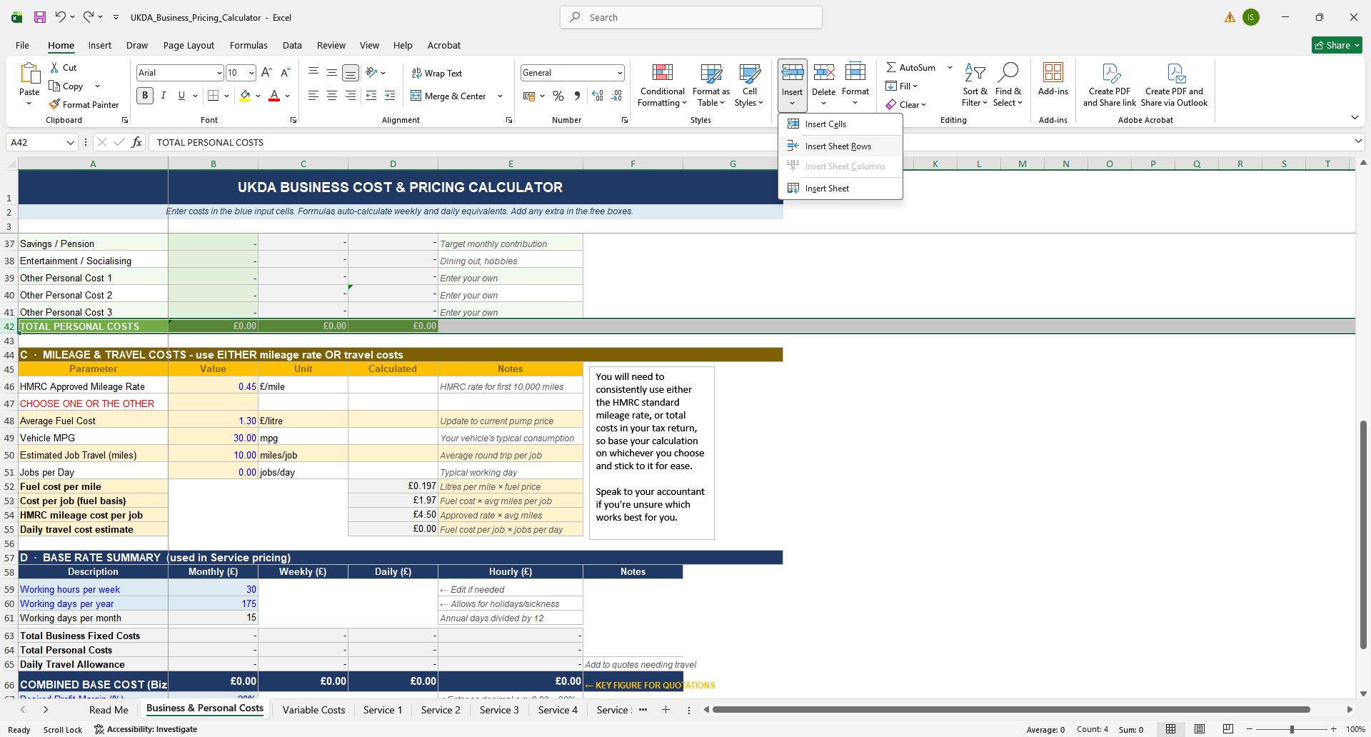
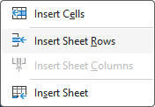
STEP 1

STEP 2
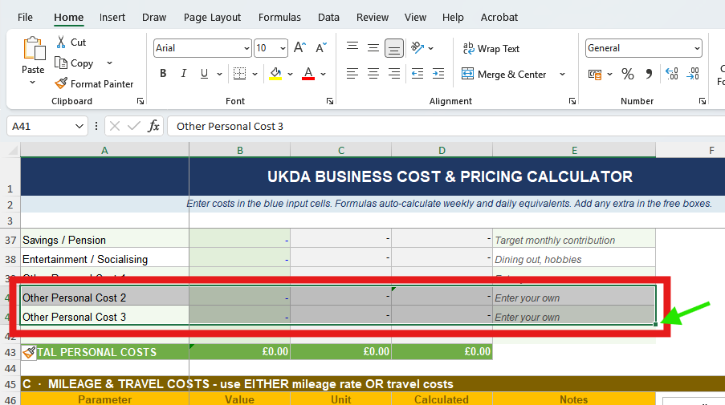

STEP 3

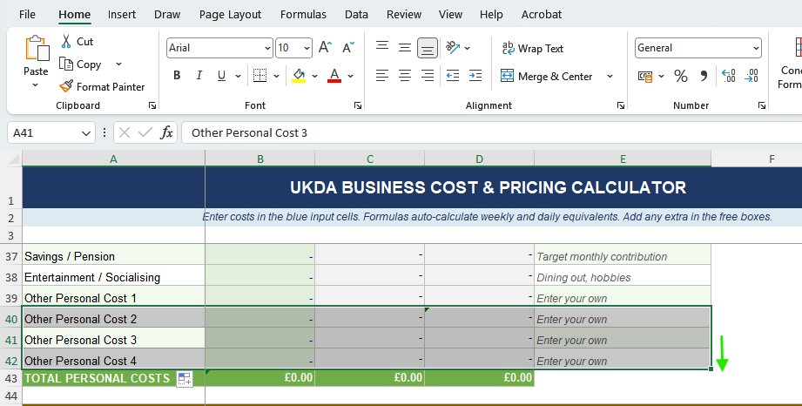

Editing VARIABLE COSTS lines
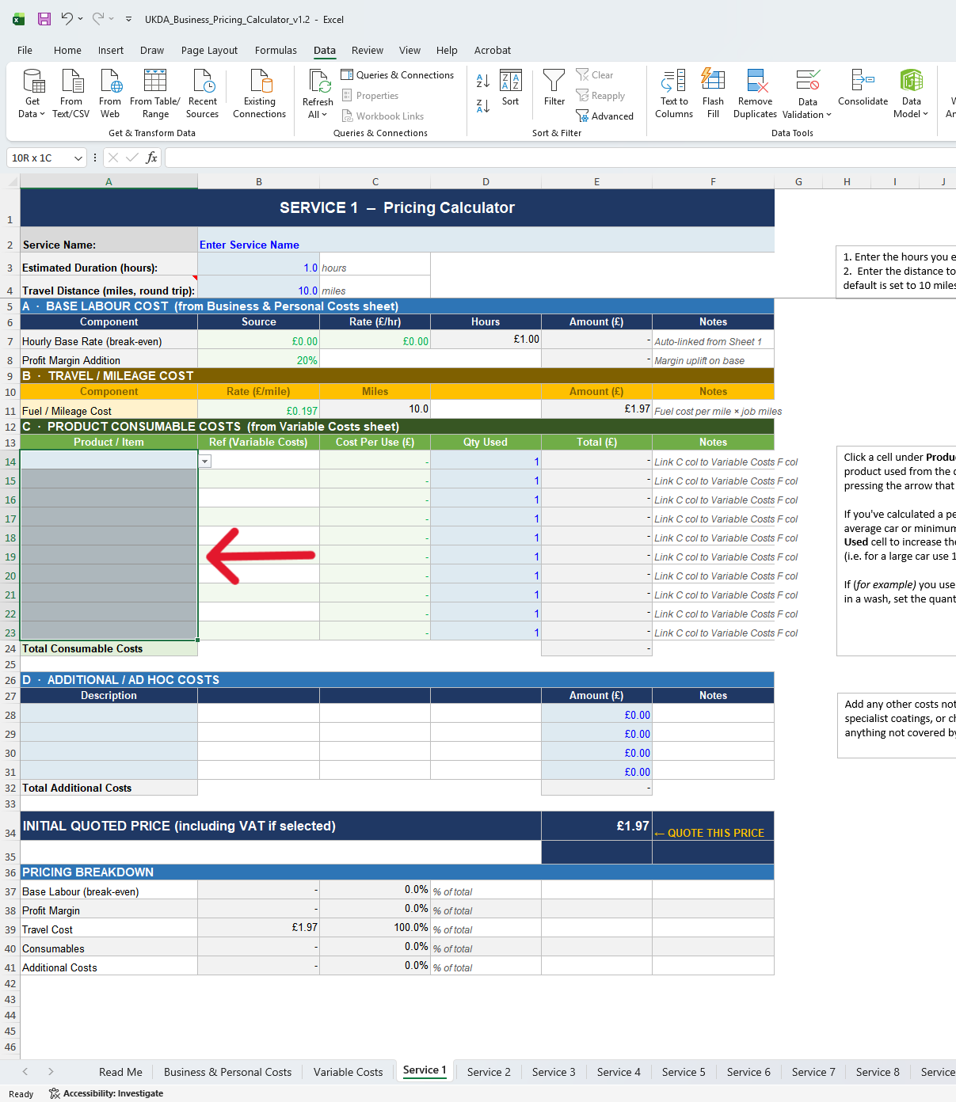
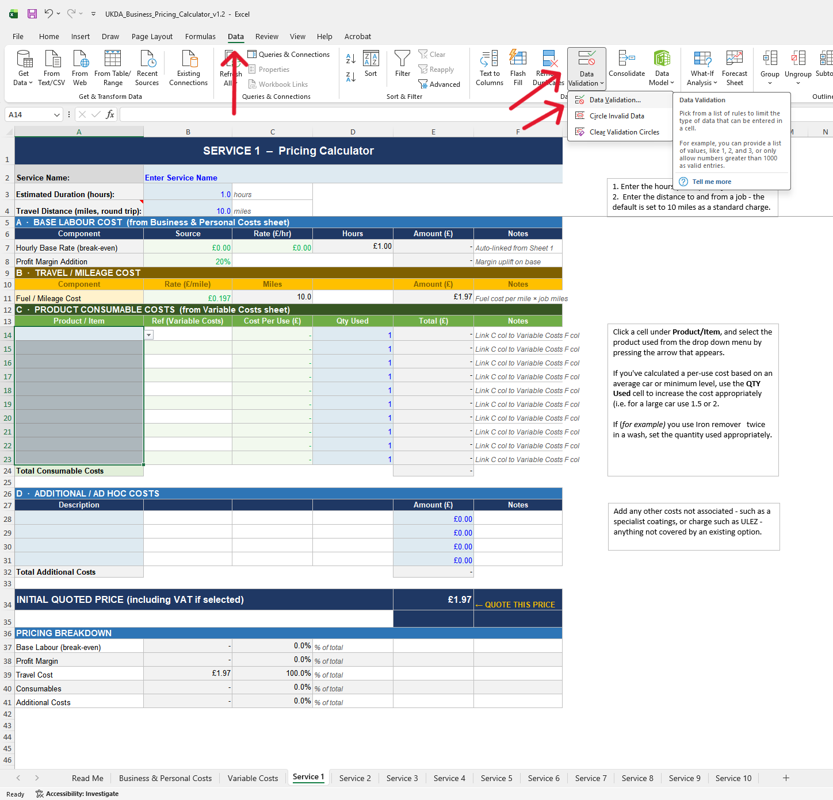

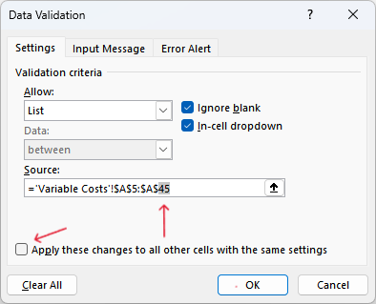

This workbook is designed as an aid, and does not constitute or substitute professional advice.
©UK Detailing Academy LTD

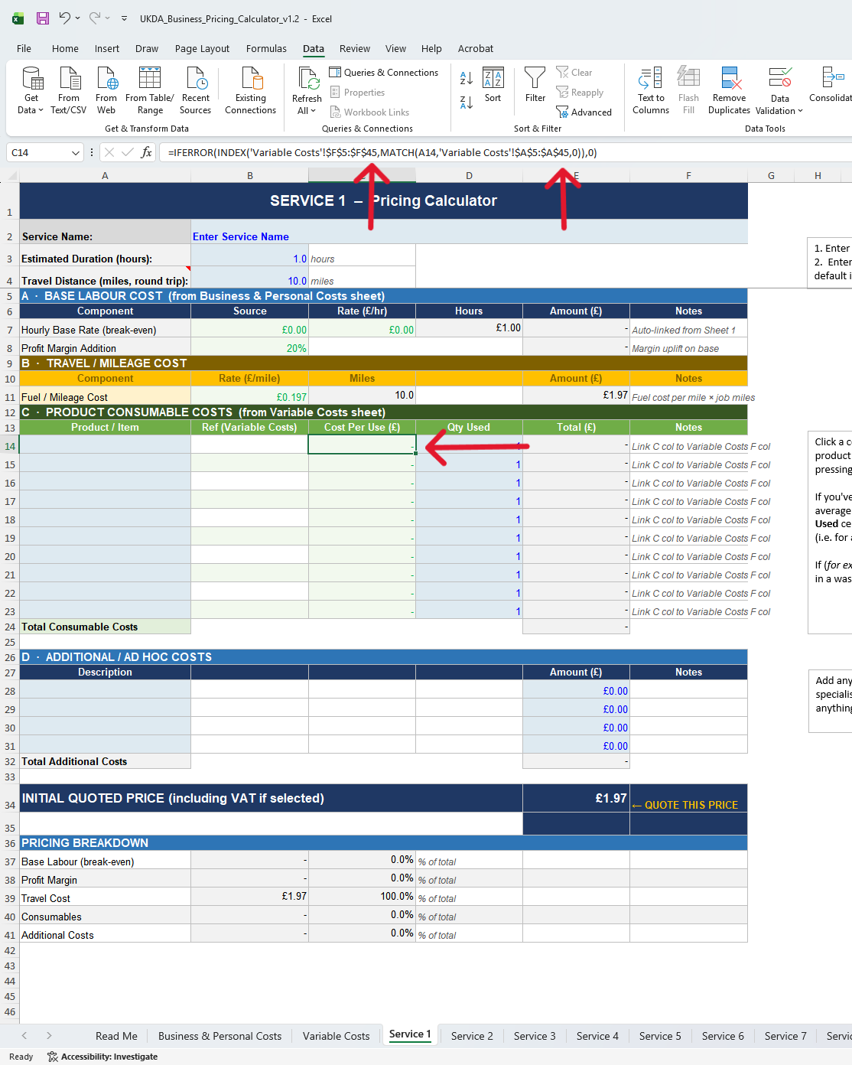
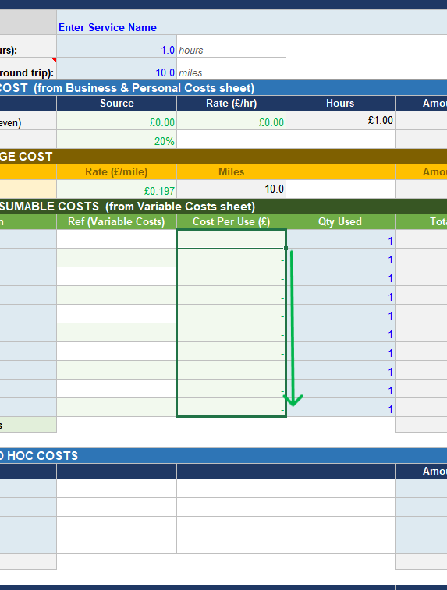

UKDA

Service 1
1. Enter the hours you expect a job to take
2. Enter the distance to and from a job - the default is set to 10 miles as a standard charge.
SERVICE 1 – Pricing Calculator
Service Name: | Enter Service Name
Estimated Duration (hours): | 1.0 | hours
Travel Distance (miles, round trip): | 10.0 | miles
A · BASE LABOUR COST (from Business & Personal Costs sheet)
Component | Source | Rate (£/hr) | Hours | Amount (£) | Notes
Hourly Base Rate (break-even) | £0.00 | £0.00 | £1.00 | - | Auto-linked from Sheet 1
Profit Margin Addition | 20% |  |  | - | Margin uplift on base
B · TRAVEL / MILEAGE COST
Component | Rate (£/mile) | Miles |  | Amount (£) | Notes
Fuel / Mileage Cost | £0.197 | 10.0 |  | £1.97 | Fuel cost per mile × job miles
C · PRODUCT CONSUMABLE COSTS (from Variable Costs sheet)
Click a cell under Product/Item, and select the product used from the drop down menu by pressing the arrow that appears.
If you've calculated a per-use cost based on an average car or minimum level, use the QTY Used cell to increase the cost appropriately (i.e. for a large car use 1.5 or 2.
If (for example) you use Iron remover twice in a wash, set the quantity used appropriately.
Product / Item | Ref (Variable Costs) | Cost Per Use (£) | Qty Used | Total (£) | Notes
 |  | - | 1 | - | Link C col to Variable Costs F col
 |  | - | 1 | - | Link C col to Variable Costs F col
 |  | - | 1 | - | Link C col to Variable Costs F col
 |  | - | 1 | - | Link C col to Variable Costs F col
 |  | - | 1 | - | Link C col to Variable Costs F col
 |  | - | 1 | - | Link C col to Variable Costs F col
 |  | - | 1 | - | Link C col to Variable Costs F col
 |  | - | 1 | - | Link C col to Variable Costs F col
 |  | - | 1 | - | Link C col to Variable Costs F col
 |  | - | 1 | - | Link C col to Variable Costs F col
Total Consumable Costs |  |  |  | -

Add any other costs not associated - such as a specialist coatings, or charge such as ULEZ - anything not covered by an existing option.
D · ADDITIONAL / AD HOC COSTS
Description |  |  |  | Amount (£) | Notes
 |  |  |  | £0.00
 |  |  |  | £0.00
 |  |  |  | £0.00
 |  |  |  | £0.00
Total Additional Costs |  |  |  | -

INITIAL QUOTED PRICE (including VAT if selected) |  |  |  | £1.97 | ← QUOTE THIS PRICE

PRICING BREAKDOWN
Base Labour (break-even) | - | 0.0% | % of total
Profit Margin | - | 0.0% | % of total
Travel Cost | £1.97 | 100.0% | % of total
Consumables | - | 0.0% | % of total
Additional Costs | - | 0.0% | % of total

